#1
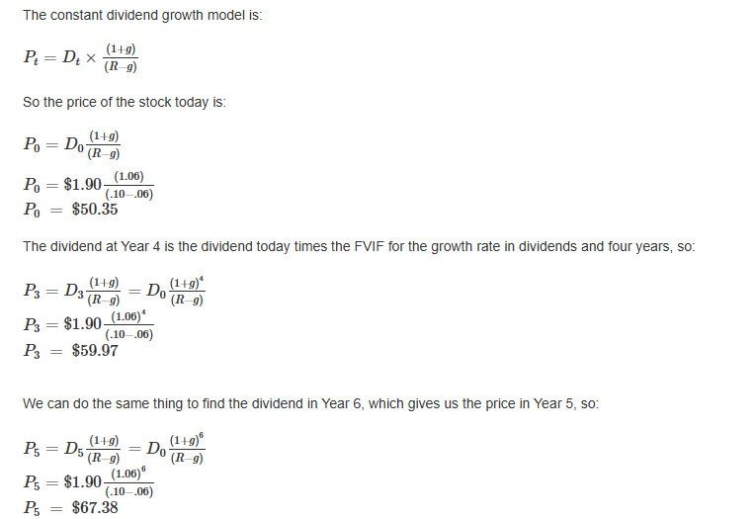
Chapter 8
Question 1

Input area: |  |  | Input area:

Dividend paid | $3.65 |  | Dividend paid | $1.90
Dividend growth rate | 4% |  | Dividend growth rate | 6%
Required return | 10.5% |  | Required return | 10.0%
Year for price | 0 |  | Year for price | 0
Year for price | 3 |  | Year for price | 3
Year for price | 15 |  | Year for price | 5

Output area: |  |  | Output area:

Price in 0 years | $58.40 | =(D7*(1+D8)^(D10+1))/(D9-D8) | Price in 0 years | $50.35 | =(O7*(1+O8)^(O10+1))/(O9-O8)
Price in 3 years | $65.69 | =(D7*(1+D8)^(D11+1))/(D9-D8) | Price in 3 years | $59.97 | =(O7*(1+O8)^(O11+1))/(O9-O8)
Price in 15 years | $105.18 | =(D7*(1+D8)^(D12+1))/(D9-D8) | Price in 5 years | $67.38 | =(O7*(1+O8)^(O12+1))/(O9-O8)

